Pivot Table
Row Labels | Sum of Assets_num
ANDAMAN | 371811574
ANDHRA PRADESH | 38914972005
ARUNACHAL PRADESH | 1923869560
ASSAM | 3461875487
BIHAR | 30251535624
CHANDIGARH | 1453595972
CHHATTISGARH | 2629146340
DADRA | 1277613713
DAMAN | 390244474
GOA | 234671875
GUJARAT | 6730726278
HARYANA | 9941823668
HIMACHAL PRADESH | 1818723794
JAMMU | 3245825241
JHARKHAND | 3861475677
KARNATAKA | 20418400309
KERALA | 2592526017
LAKSHADWEEP | 186867463
MADHYA PRADESH | 17624703017
MAHARASHTRA | 33297735837
MANIPUR | 252493084
MEGHALAYA | 859344649
MIZORAM | 186407627
NAGALAND | 500642685
NATIONAL CAPITAL TERRITORY OF DELHI | 5521596307
ODISHA | 6700567823
PUDUCHERRY | 622589123
PUNJAB | 14040381546
RAJASTHAN | 9417547946
SIKKIM | 75489029
TAMIL NADU | 29490430214
TELANGANA | 25467657623
TRIPURA | 191109644
UTTAR PRADESH | 45967331265
UTTARAKHAND | 3540594042
WEST BENGAL | 5823883872

Sheet2
a | b
SIKKIM | 75489029
MIZORAM | 186407627
State Vs sum of Assets
LAKSHADWEEP | 186867463
TRIPURA | 191109644
GOA | 234671875
MANIPUR | 252493084
ANDAMAN | 371811574
DAMAN | 390244474
NAGALAND | 500642685
PUDUCHERRY | 622589123
MEGHALAYA | 859344649
DADRA | 1277613713
CHANDIGARH | 1453595972
HIMACHAL PRADESH | 1818723794
ARUNACHAL PRADESH | 1923869560
KERALA | 2592526017
CHHATTISGARH | 2629146340
JAMMU | 3245825241
ASSAM | 3461875487
UTTARAKHAND | 3540594042
JHARKHAND | 3861475677
NATIONAL CAPITAL TERRITORY OF DELHI | 5521596307
WEST BENGAL | 5823883872
ODISHA | 6700567823
GUJARAT | 6730726278
RAJASTHAN | 9417547946
HARYANA | 9941823668
PUNJAB | 14040381546
MADHYA PRADESH | 17624703017
KARNATAKA | 20418400309
TELANGANA | 25467657623
TAMIL NADU | 29490430214
BIHAR | 30251535624
MAHARASHTRA | 33297735837
ANDHRA PRADESH | 38914972005
UTTAR PRADESH | 45967331265

Observations
Graph of Education Vs Winners
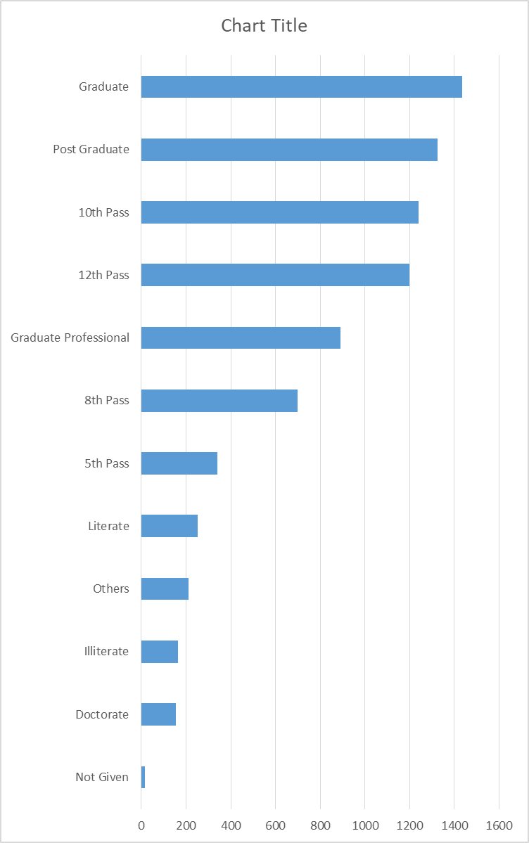

 | The graph given alongside shows that members with a graduate degree has the highest chances of being selected. Members with an education in general have a higher chance as compared to members who have not completed their education.

Graph of Age Vs Winners
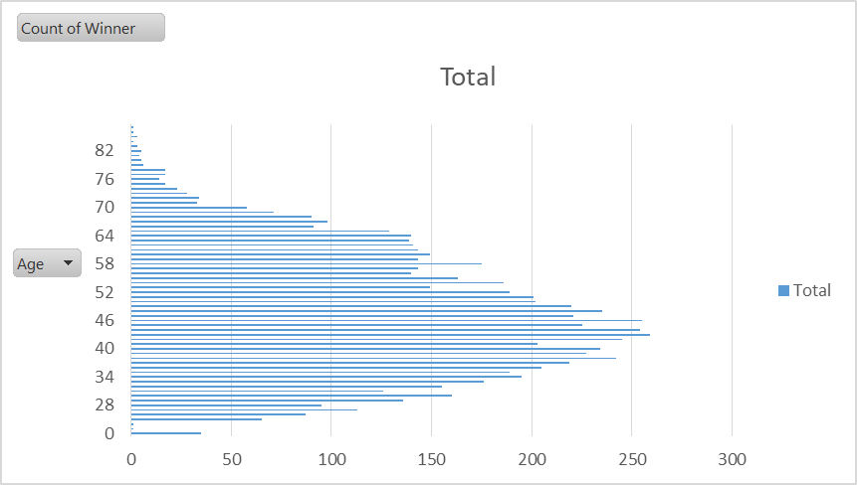

 | The graph alongside gives a spread of how the winners are distributed over different age groups. Members in the 40-50 age group have more favour of winning.

Graph of State vs assets
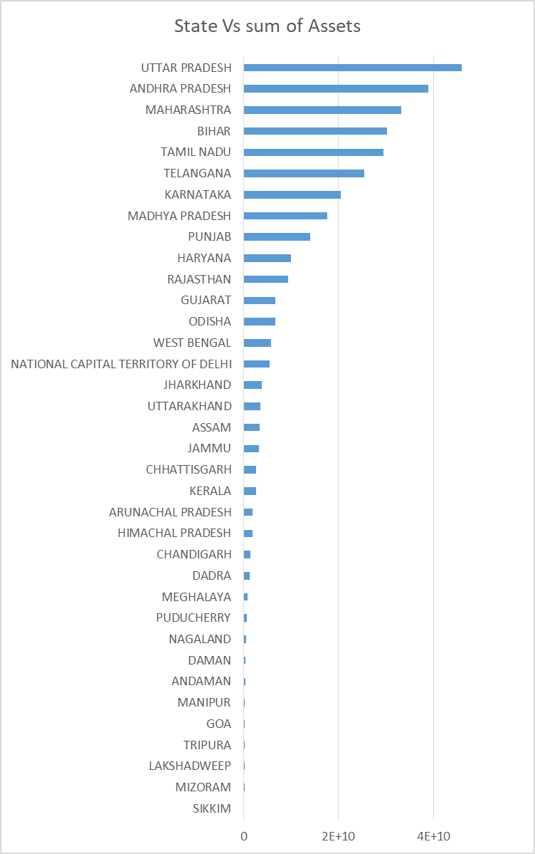

Graph of State Vs Criminal record
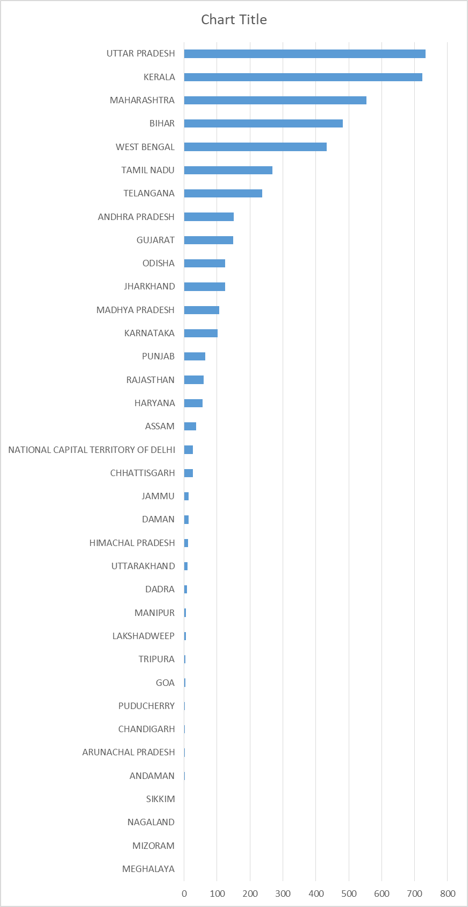

 | The graph given alongside shows which state has a higher sum of asset

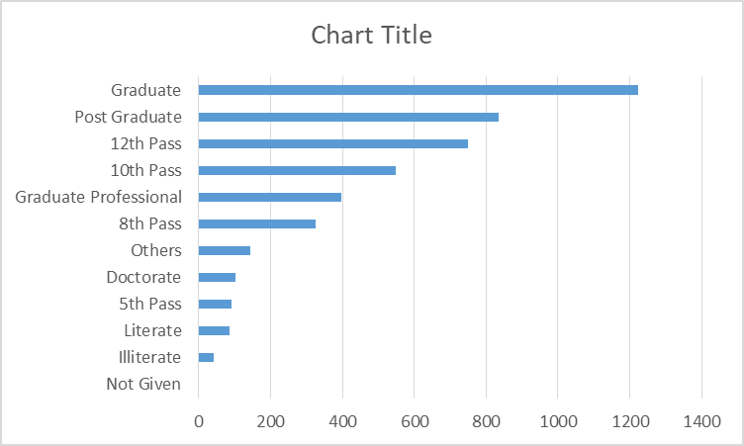
Graph of Education Vs Criminal record

